Sheet1
 | Document No. |  | Issue No. | Issue Date |  |  | Review and Replace Date |  | Authorised By
 | GFF431MC |  | 3 | 19.03.2024 |  |  | 24.07.2025 |  | Magda Shah
 | Document Title |  | Gazebo Chicken Tikka Masala & Aromatic Rice 350g
Document amendments reason for change | Spork Removed |  |  | Page 1 of 1 |  | Previous Issue Date |  | 28.01.2025 | Uncontrolled copy unless signed original

FROZEN
CHILLED
CCTIKR5-R8T / FCTIKR5-R8T |  | Gazebo Cuisine |  | Chicken Tikka Masala & Aromatic Rice|350g
STEP 1
 |  |  |  |  | 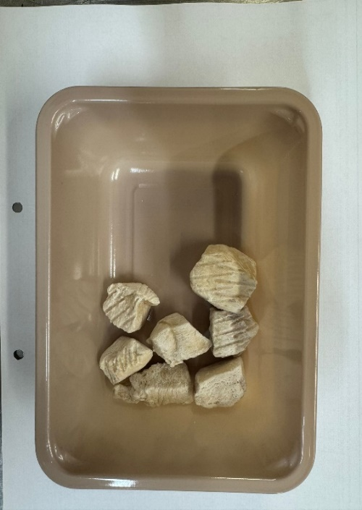
Pack +10 Days

Tray: EVOLVE CPET 2171-1F FROST (PKRHP001-14) |  |  |  |  | 20-25mm Steam Cooked Diced CBC (RMJAN001-03): 50g
Film: K Peel 3G 25µm (275mmX1000lm) (PKKMP001-04)
STEP 3 |  |  |  |  | STEP 4
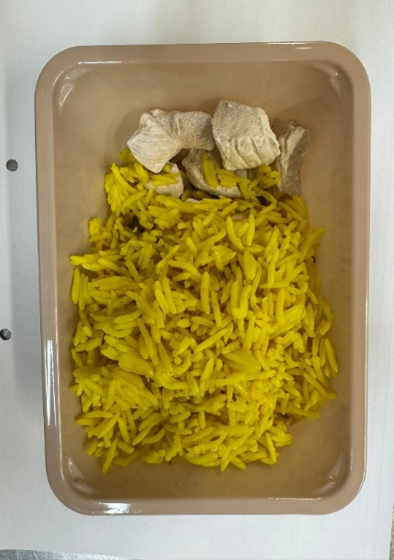 |  |  |  |  | 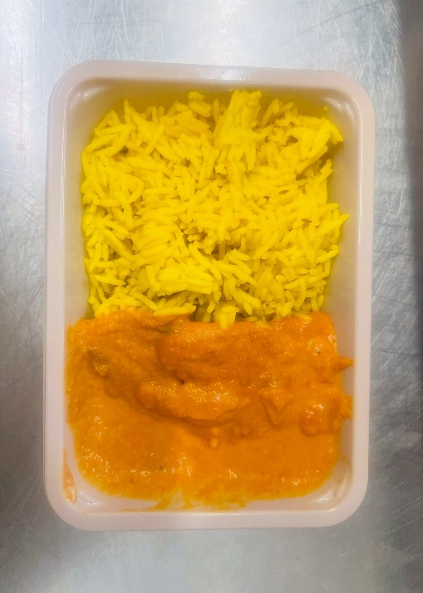
Pilau Rice (GFF143R): 200g |  |  |  |  | Tikka Masala Sauce(GFF141R) : 100g |  |  |  |  | Total Weight 350g
ALLERGY ALERT: Milk, Nuts

